Farmer in GA
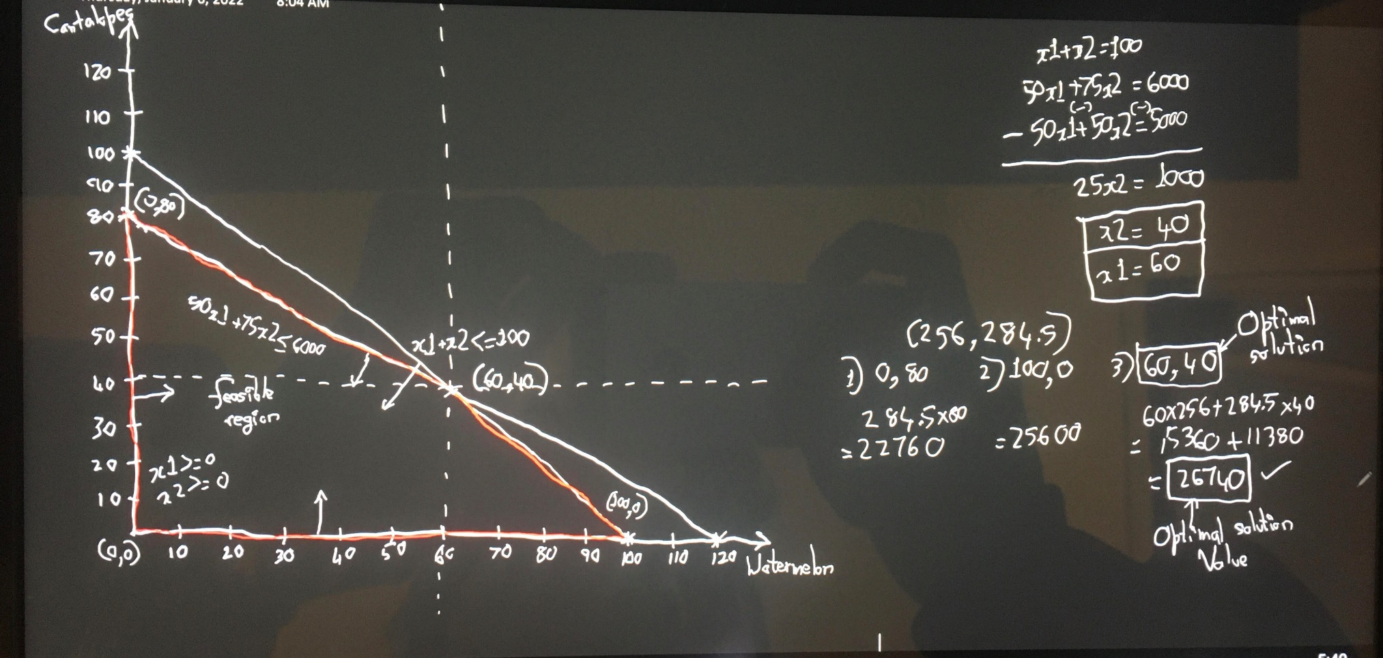
Farmer in Georgia

 | Watermelons | Cantalopes | Available
Water | 50 | 75 | 6000 | gallons/day
Acres |  |  | 100 | acres
Units per Acre | 90 | 300 |  | units/acre
Labor | 2 | 2.5 |  | hours/acre
Selling Price per Unit | $3.00 | $1.00 |  | dollars per unit
Fertilizer | 20 | 15 |  | pounds
Fetilizer Cost | 240 | 120 | $10.00 | per/50 pound bag
Labor Cost | 600 | 500 | $5.00 | per/hour
Total Price | $16,200.00 | $12,000.00
Profit | $15,360.00 | $11,380.00 | $26,740.00

a. The decision variables for the problem are the number of acres for watermelons and the number of acres for cantaloupes.
 | Decision Variables
 | Watermelons | Cantalopes
# of Units | 60 | 40

Constraints | Watermelons | Cantalopes | LHS |  | RHS
x1+x2<=100 | 1 | 1 | 100 | <= | 100
50x1+75x2<=6000 | 50 | 75 | 6000 | <= | 6000
x1>=0 | 1 | 0 | 60 | >= | 0
x2>=0 | 0 | 1 | 40 | >= | 0

Objective Function | Watermelons | Cantalopes | Z
Profit | 256 | 284.5 | 26740
New Profit | 196 | 334.5 | 25140

d. | The optimal solution is (60,40) which matches the graph

e.i. | 270-66.3333333333333
 | 203.66666667
 | 2.262962963 | 66.3333333333333/90
 | 0.73703703704 | 0.73703703704

e.ii. | 0

e.iii. | Current price of watermelons per acre |  |  | $270.00
 | Current price of Cantaloupes per acre |  |  | $300.00

 | Current price of watermelons per acre |  |  | 210
 | Current price of Cantaloupes per acre |  |  | 350

 | No, the optimal solution has changed to (0,80)

e.iv. | The farmer should lease all 20 extra acres. The max amount per acre to pay is 198$.

b.

Planning Dessert
Planning Dessert

Ingredients (per serving) of each dessert
 | Snack bar | Ice cream | Limit
Calories | 120 | 160 | 450
Fat (grams) | 5 | 10 | 25
Total Grams | 37 | 65 | 120

 | Snack bar | Ice cream
Tast Index | 85 | 95
a.
Decision Variables | No of Servings
 | Snack bars | Ice Cream
 | 3.2432432175 | 0

Constraints
 | Snack bar | Ice cream |  |  | Limit
Calories | 120 | 160 | 389.1891861 | <= | 450
Fat (grams) | 5 | 10 | 16.216216087 | <= | 25
Total Grams | 37 | 65 | 119.99999905 | <= | 120

Objective Function | Snack bar | Ice cream | Z
Tast Index | 85 | 95 | 275.67567348

b. The optimal value is
 | Snack bars | Ice Cream
 | 3.2432432432 | 0

The optimal solution is |  | 275.67567348

c.
The shadow prices tell us how much the optimal solution can be increased or decreased if we change the right hand side values (resources available) with one unit.
The shadow price of the calories is 0 which means that the optimal solution of 389.18 can be increased by 0 if we change the limit of calories by 1
The shadow price of the fat is 0 which means that the optimal solution of 16.22 can be increased by 0 if we change the limit of fat by 1

The range of values are these interpretations valid are :-

Calories Limit | 328.3784 | to | infinity
Fat (grams) Limit | 7.432432 | to | infinity

When one varies the limit on calories’ from 250 to 650 in increments of 50
Sensitivity of $D$23 to Calories
250 | 177.08333333
300 | 212.5
350 | 247.91666667
400 | 275.67567568
450 | 275.67567568
500 | 275.67567568
550 | 275.67567568
600 | 275.67567568
650 | 275.67567568
 |  |  |  |  |  | 250 | 177.08333333
 |  |  |  |  |  | 300 | 212.5
 |  |  |  |  |  | 350 | 247.91666667
 |  |  |  |  |  | 400 | 275.67567568
 |  |  |  |  |  | 450 | 275.67567568
 |  |  |  |  |  | 500 | 275.67567568
 |  |  |  |  |  | 550 | 275.67567568
 |  |  |  |  |  | 600 | 275.67567568
 |  |  |  |  |  | 650 | 275.67567568

When one varyies the fat constraint limit from 15 to 40 in increments of 5

Sensitivity of $D$23 to Fat
15 | 255
20 | 275.67567568
25 | 275.67567568
30 | 275.67567568
35 | 275.67567568
40 | 275.67567568
 |  |  |  |  |  | 15 | 255
 |  |  |  |  |  | 20 | 275.67567568
 |  |  |  |  |  | 25 | 275.67567568
 |  |  |  |  |  | 30 | 275.67567568
 |  |  |  |  |  | 35 | 275.67567568
 |  |  |  |  |  | 40 | 275.67567568

STS_1
Oneway analysis for Solver model in Planning Dessert worksheet |  |  | Sensitivity of $D$23 to Calories

When you select an output from the dropdown list in cell $K$4, the chart will adapt to that output.
Calories (cell $F$18) values along side, output cell(s) along top |  |  | Data for chart
 | $D$23 | 1 | $D$23
250 | 177.08333333 |  | 177.08333333
300 | 212.5 |  | 212.5
350 | 247.91666667 |  | 247.91666667
Sensitivity of $D$23 to Calories
400 | 275.67567568 |  | 275.67567568
450 | 275.67567568 |  | 275.67567568
500 | 275.67567568 |  | 275.67567568
550 | 275.67567568 |  | 275.67567568
600 | 275.67567568 |  | 275.67567568
650 | 275.67567568 |  | 275.67567568

STS_2
Oneway analysis for Solver model in Planning Dessert worksheet |  |  | Sensitivity of $D$23 to Fat

When you select an output from the dropdown list in cell $K$4, the chart will adapt to that output.
Fat (cell $F$19) values along side, output cell(s) along top |  |  | Data for chart
 | $D$23 | 1 | $D$23
15 | 255 |  | 255
20 | 275.67567568 |  | 275.67567568
25 | 275.67567568 |  | 275.67567568
30 | 275.67567568 |  | 275.67567568
35 | 275.67567568 |  | 275.67567568
40 | 275.67567568 |  | 275.67567568

Sensitivity of $D$23 to Fat

